Assignment
Assignment - 1 | Upload Files using Upload Interceptor
Requirement | Class UploadAction.java
 | Properties : file, fileName, fileContentType
 | Method execute
 | Create a Upload JSP File and upload the file using this action
 | Call uploadFile method from CommonLogic class
 | Display Success/ Failure message on browser along with the image uploaded.
 | Create a constant in Constants.java file to store the Upload path on the server. Uploaded file should be inside the WEB-INF directory
 | Observation:- Try Uploading the files in a folder outside WEB-INF directory and note the necessary changes

 | Note:- Create the uploadFile method in the CommonLogic Class


Input Screen


Output Screen

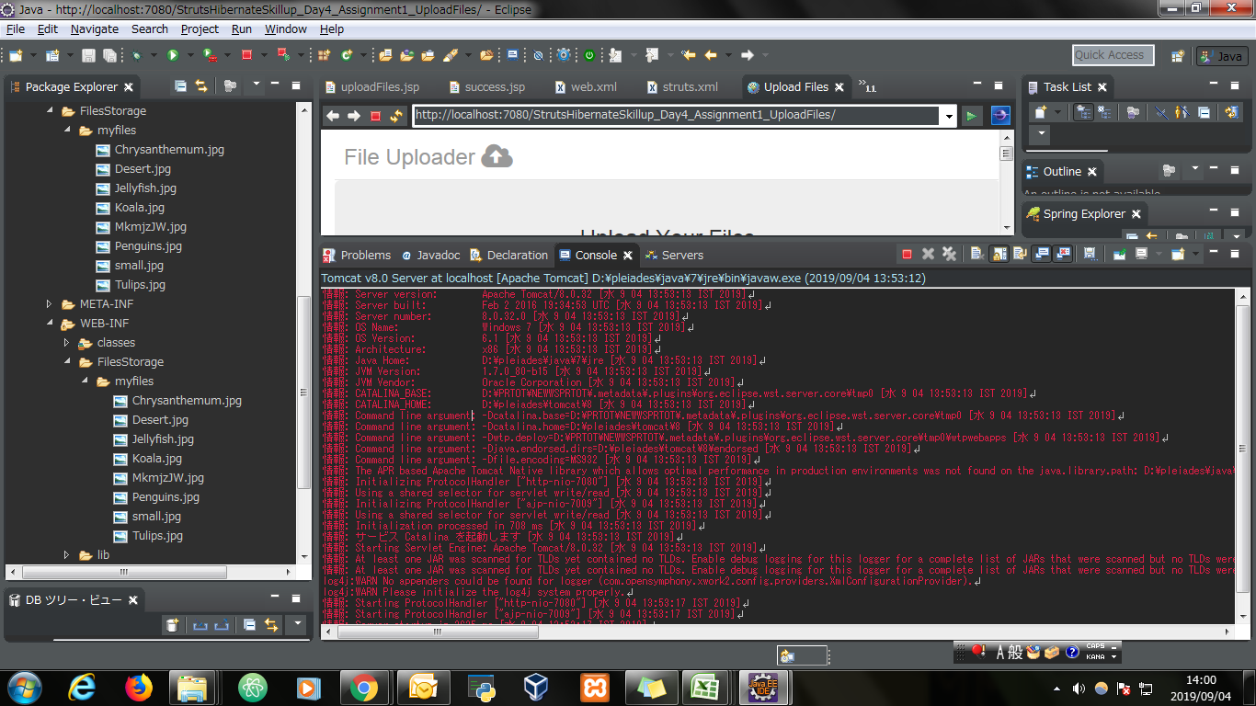
File Uploaded On Server

